Description
 | The Flaw of Averages in Capital Expenditure: Why Everything is Below Projection
Adjust Quantity Ordered in cell D8
Goods must be purchased in the face of uncertain demand.
The Average Profit is less than the Profit of the Average Demand because there is no upside if Demand exceeds quantity ordered.
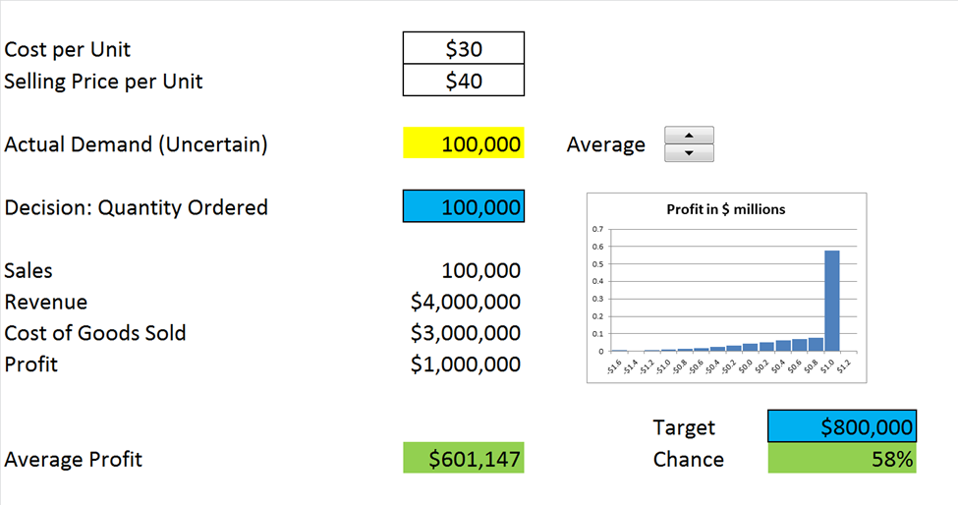

Scroll through Actual Demand scenarios here

Distribution of Profit

Adjust Profit level and view the chance of meeting or exceeding that level.
Profit of the Average Demand is $1million

Actual Average profit is only around $600,000
The Profit formula (D13) drives the Data Table on the PMTable sheet while running demand through the Actual Demand cell (D6).

Copyright © 2013 ProbabilityManagement.org, all rights reserved.
www.probabilitymanagement.org

Model
Cost per Unit | $30
Selling Price per Unit | $40

Actual Demand (Uncertain) | 100,000 | Average |  |  | 0 | 1001

Profit in $ millions
-$1.6 | 0.005
-$1.4 | 0.003
-$1.2 | 0.006
-$1.0 | 0.009
-$0.8 | 0.013
-$0.6 | 0.019
-$0.4 | 0.026
-$0.2 | 0.034
$0.0 | 0.044
$0.2 | 0.053
$0.4 | 0.062
$0.6 | 0.071
$0.8 | 0.076
$1.0 | 0.579
$1.2 | 0
Decision: Quantity Ordered | 100,000

Sales | 100,000
Revenue | $4,000,000
Cost of Goods Sold | $3,000,000
Profit | $1,000,000

 |  |  | Target | $800,000
Average Profit | $601,147 |  | Chance | 58%

© Copyright 2013, ProbabilityManagement.org

